BUY_GOODS
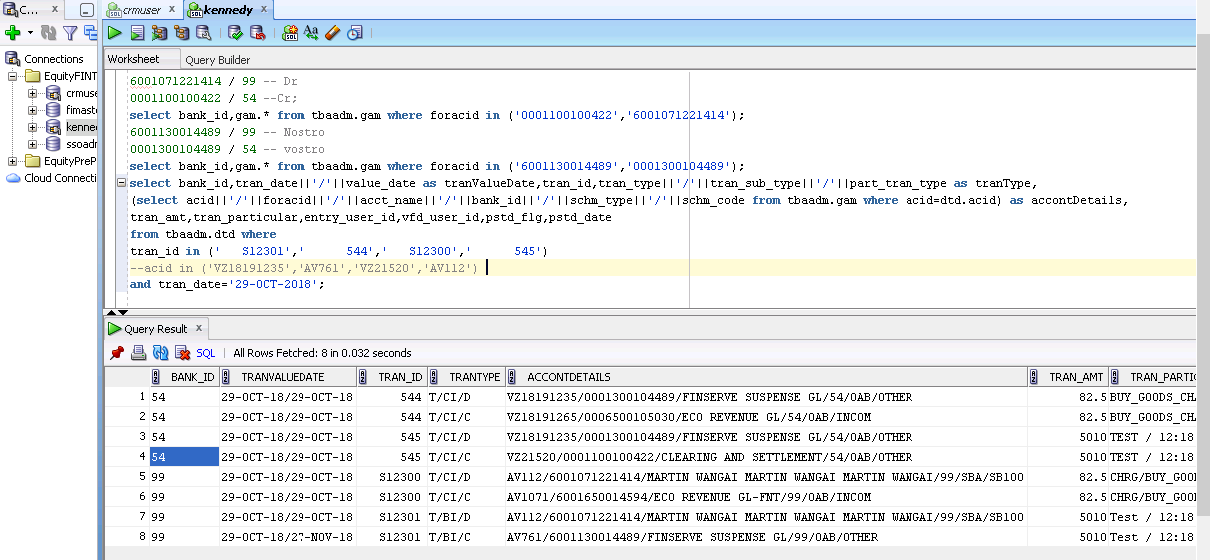

6001071221414 / 99 -- Dr 0001100100422 / 54 --Cr; select bank_id,gam.* from tbaadm.gam where foracid in ('0001100100422','6001071221414'); 6001130014489 / 99 -- Nostro 0001300104489 / 54 -- vostro select bank_id,gam.* from tbaadm.gam where foracid in ('6001130014489','0001300104489'); select bank_id,tran_date||'/'||value_date as tranValueDate,tran_id,tran_type||'/'||tran_sub_type||'/'||part_tran_type as tranType, (select acid||'/'||foracid||'/'||acct_name||'/'||bank_id||'/'||schm_type||'/'||schm_code from tbaadm.gam where acid=dtd.acid) as accontDetails, tran_amt,tran_particular,entry_user_id,vfd_user_id,pstd_flg,pstd_date from tbaadm.dtd where tran_id in (' S12301',' 544',' S12300',' 545') --acid in ('VZ18191235','AV761','VZ21520','AV112') and tran_date='29-OCT-2018';

txcietxnmn002.scr
txcietxndp007.scr
txcietxnmnrate2.scr
charge_mtt_mKey.scr
otherentitytran.scr
sindbtsincrdt.scr
txcietxndp015.scr
txmttcietxndp015.scr
txcietxndp015.scr
txcietxnmn003.scr
Common_Interface_CreateRepos.scr
txcietxndp016.scr
Common_Interface_ConvertDateToGregorian.scr
Common_Interface_DateFormat.scr
txcietxndp015.scr
txcietxndp025.scr

BUY_GOODS_FAIBA
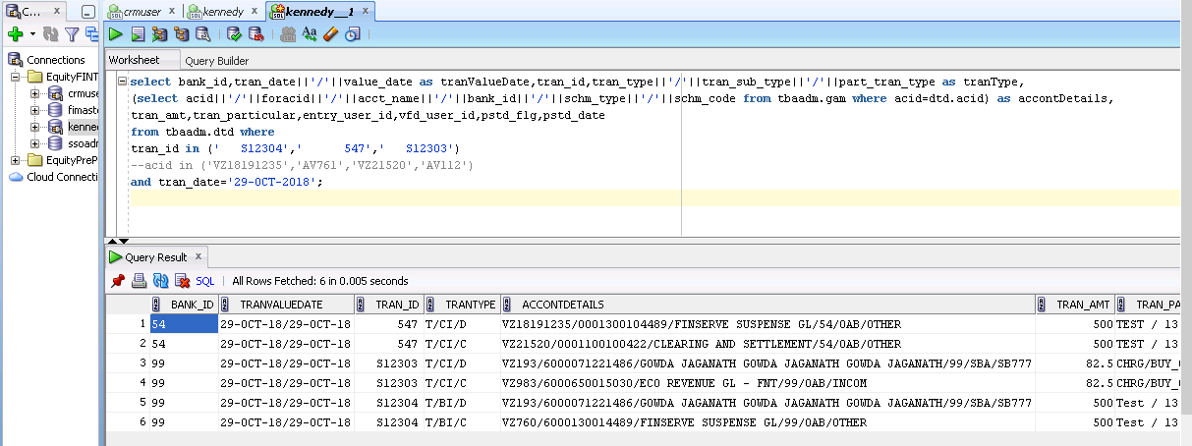

select bank_id,tran_date||'/'||value_date as tranValueDate,tran_id,tran_type||'/'||tran_sub_type||'/'||part_tran_type as tranType, (select acid||'/'||foracid||'/'||acct_name||'/'||bank_id||'/'||schm_type||'/'||schm_code from tbaadm.gam where acid=dtd.acid) as accontDetails, tran_amt,tran_particular,entry_user_id,vfd_user_id,pstd_flg,pstd_date from tbaadm.dtd where tran_id in (' S12304',' 547',' S12303') --acid in ('VZ18191235','AV761','VZ21520','AV112') and tran_date='29-OCT-2018';

